Application
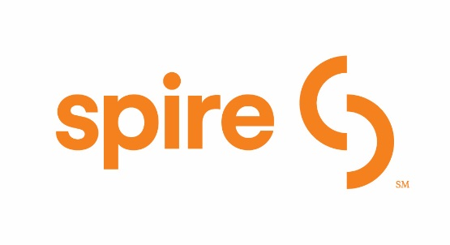
Spire - Residential High Efficiency - Builder/Bulk Rebate Application Offer # SPIREBLDMOW
 | Please complete all sections highlighted in yellow and Equipment Details on next tab: |  |  |  |  |  | AL
Central Heating Rebates |  |  |  |  |  |  | AK
Product Type |  | Rebate Eligibility Specification |  | Rebate |  |  | AZ
Programmable set back or WiFi enabled or smart thermostat |  | 7 day programmable,( 5+2, or 5-1-1 day models) |  | $25 or 50% of equipment cost, whichever is lower. |  |  | AR
 |  |  |  |  |  |  | CA
Gas Furnace |  | 96% Annual Fuel Utilization Efficiency (AFUE) or greater |  | $300 |  |  | CO
Gas Furnace |  | 92% to 95.99% Annual Fuel Utilization Efficiency (AFUE) |  | $200 |  |  | FL
Gas Boiler |  | 90% Annual Fuel Utilization Efficiency (AFUE) or greater |  | $300 |  |  | GA
Water Heating Rebates |  |  |  |  |  |  | HI
Product Type |  | Rebate Eligibility Specification |  | Rebate |  |  | ID
Gas Storage Water Heater (20 - 55 gallons) |  | 0.64 Uniform Energy Factor (UEF) or higher |  | $200 | Rebate Limits |  | IL
 |  |  |  |  | Listed natural gas equipment qualifies for rebates subject to the following maximums: Two (2) Central Heating rebates, Two (2) Water Heater rebates, or Two (2) Combined Space and Water Heating Systems rebates, and Two (2) Thermostat rebates per Residential premise or account. |  | KY
 |  |  |  |  |  |  | LA
Gas Tankless Water Heater (less than 2 gallons) |  | 0.80 Uniform Energy Factor (UEF) or higher |  | $300 |  |  | ME
 |  |  |  |  |  |  | MD
Combined Space Heating & Water Heating Systems |  |  |  |  |  |  | MA
Product Type |  | Rebate Eligibility Specification |  | Rebate |  |  | MI
High efficiency boiler with side-arm tank |  | 90% Annual Fuel Utilization Efficiency (AFUE) or greater |  | $450 |  |  | MN
 |  |  |  |  |  |  | MS
PLEASE TYPE INFORMATION ONLY
Heating/Water Heating (tankless system) boiler |  | 90% Annual Fuel Utilization Efficiency (AFUE) or greater |  | $450 |  |  | MO
 |  |  |  |  |  |  | MT
Builder or Owner Name/Contact |  |  |  |  |  |  | NE
Address |  |  |  |  |  |  | NV
City |  |  |  | State | ZIP |  | NM
Email Address |  |  |  | Applicant Phone |  |  | NY
 |  |  |  |  |  |  | NC
This rebate: |  |  | Did influence | Did not influence my decision ("X" in the appropriate box) |  |  | ND
 |  |  |  |  |  |  | OH
Rebate assignment (complete this section only if another party is to receive the rebate) |  |  |  |  |  |  | OK
Name |  |  |  | Attn: |  |  | OR
Address |  |  |  |  |  |  | PA
City |  |  |  | State | ZIP |  | RI
 |  |  |  |  |  |  | SC
I certify the above new natural gas appliance/thermostat has been installed in the residence(s) that I have indicated on the "Details" tab. I understand that to receive the rebate all information requested in this form must be completed AND all purchase-related invoices or proof of payment (less than one year old) be included with the form. All installations are subject to inspection in accordance with program approved MPSC Case No. GR-2017-0216. I acknowledge Spire's right to substantiate sales receipts, model or serial numbers, and installation and to request additional documentation, as necessary, to assure program criteria compliance. I have read and understand the Terms and Conditions of the Spire Residential High Efficiency Rebate Program that are included as part of this application. I certify the information I have provided is true and correct and the product(s) for which I am requesting a rebate meets the requirements of the Program: |  |  |  |  |  |  | SD
 |  |  |  |  |  |  | TN
 |  |  |  |  |  |  | TX
 |  |  |  |  |  |  | UT
 |  |  |  |  |  |  | VT
 |  |  |  |  |  |  | VA
 |  |  |  |  |  |  | WA
 |  |  |  |  |  |  | WV
 | Signature: |  |  | Date |  |  | WI
 |  | Please type your first and last name |  |  |  |  | WY

 | I understand that by typing my name above and checking the box, I am am providing a legally enforceable signature confirming that the information provided in this application
 | is accurate and complete, and I acknowledge and agree to the Terms and Conditions.

 | Email To: | SpireRebates@bhnetwork.com
EMAIL your application within the valid offer dates.
Need help at anytime, call 1-833-841-4639

 |  |  |  |  |  | Revised MOW 03.14.19

